Intro
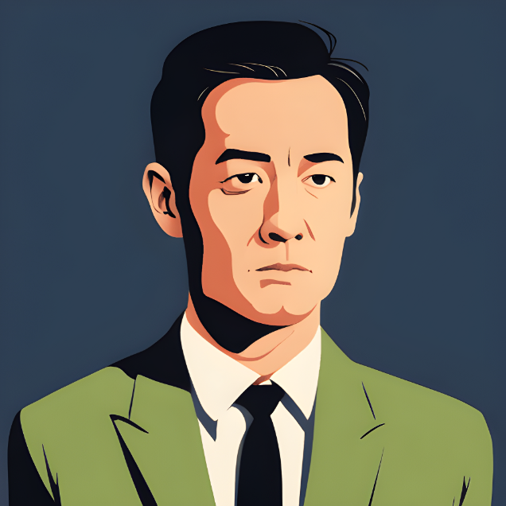
 | Mysterious Jungle |  |  | Jhon
Introduction of Story
A man named John lost his son during a party held at an old haunted house. The next day, John receives a chilling phone call from a mysterious thief who claims to have kidnapped his son. The thief demands for 10 Cr and gives John a set of challenges to complete in order to find his son. The challenges will lead John to a specific location, where he must go alone to exchange the money for his son's safe return. Wait for the Twist at the end of the story.

 |  | Enjoying in Party

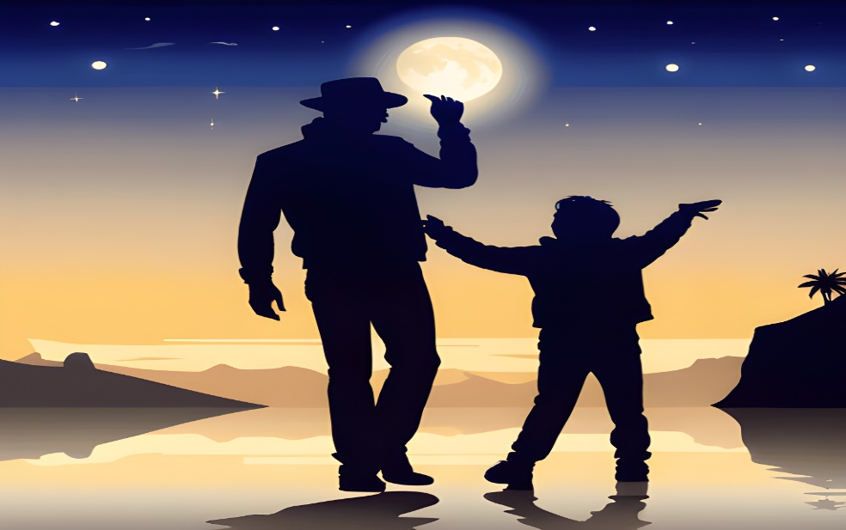



Guidelines:
1) You need to Answer each questions to unlock the next scene 2) Don't skip any questions and directly go to any sheets you will lose the curiosity & even you jump next you will not see anything 3) No cheating while answering(no googling) 4) Which team finish the task quickly they will be the winners 5) All the sheets are password protect so you can't edit anything 6) All the questions are logic based questions so use your brain properly 7) Read the Story of each scene don't skip and directly go to Question & answers 8) Each question has it's own clues so you can use that as well if you are stuck with any question
 |  |  | Are you all Excited to explore the Mysterious Jungle?

Move Next
 |  |  | Click this Button to move to 1st scene -->

Scene 1
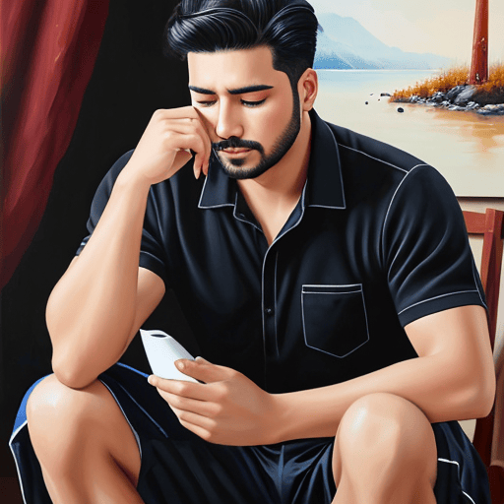
 | Mysterious Jungle
Scene 1:John & his Son went for a party yesterday night, John lost his conciousness when an unkown person mixed sleeping tablet in his drink. Next day Morning when he wokeup he don't see his son, suddenly he recall last night party and came to know that his Son was kidnapped. He started crying by seeing his son's photo. He don't know what to do Help him to find some clue to find his Son by answering below question.

 |  | Q1. If you drop me from the tallest building, I'll be fine. But if you drop me in water, I'll die. What am I?
 |  | Write your Answer:
 |  | Plz Ans Correctly to save my Son

 |  | Do you want the Clue ?

Scene 2
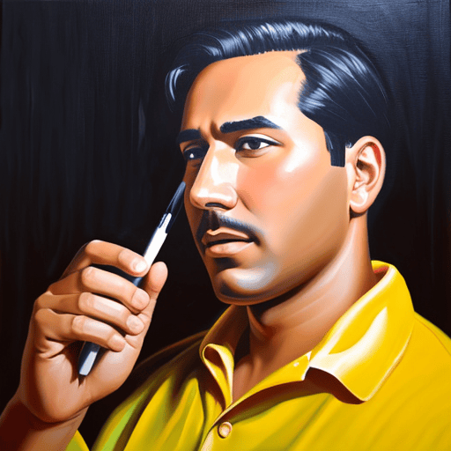
 | Mysterious Jungle

Scene 3
 |  | Mysterious Jungle
 | 
Answer the previous Question

Help him to get the direction by answering the question .

Scene 4
 |  | Mysterious Jungle
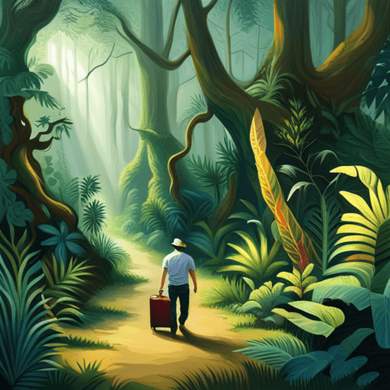
Answer the Previous Question

 | Are you Ready for the challenge?

Scene 5
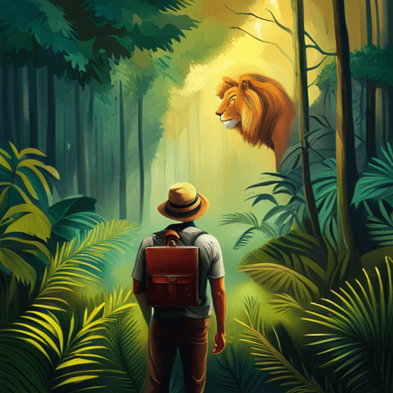
 | Mysterious Jungle
Answer the previous question

Scene 6
 | Mysterious Jungle
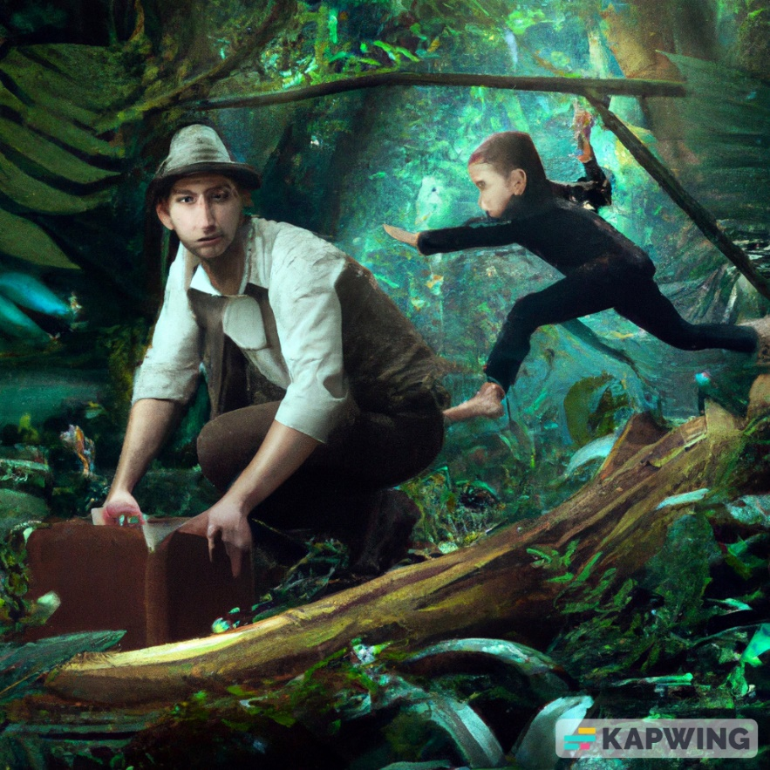
Answer the previous question

Scene 7
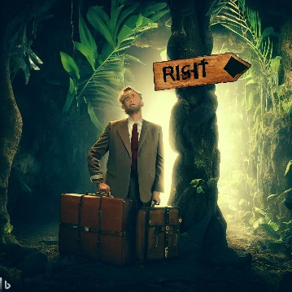
 | Mysterious Jungle

Answer the Previous question

Scene 8
 | Mysterious Jungle

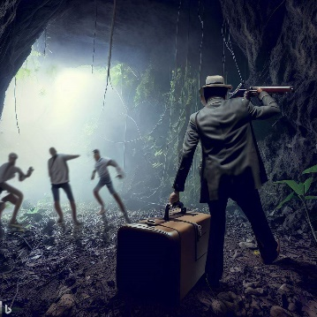
Answer the previous question

Scene 9
 | Mysterious Jungle
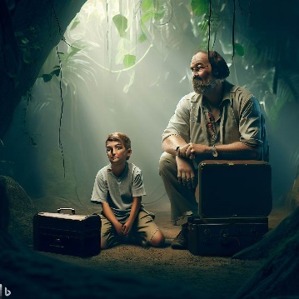
Answer the previous question

Scene 10
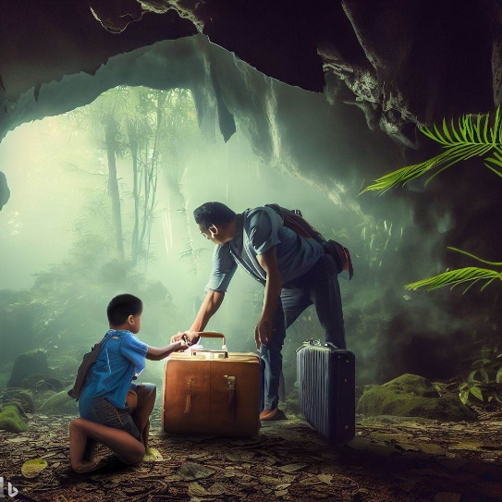
 | Mysterious Jungle

Answer the Previous question

End




